review classification
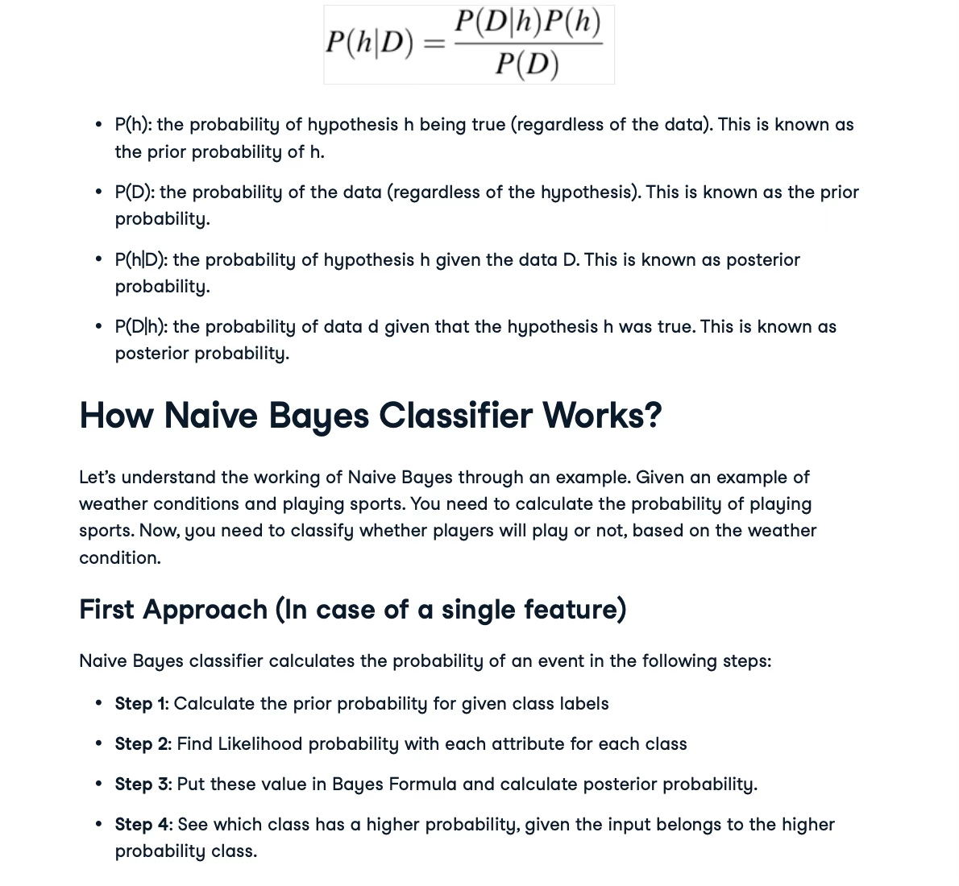
Sample space |  |  |  |  | Frequency table |  |  |  |  | Likelihood table
review | Sentiment |  |  |  | word | Positive | Negative |  |  | word | Positive | Negative | Probability
It was great | Positive |  |  |  | It | 4 | 3 |  |  | It | 4 | 3 | 0.19444444444
It sucks | Negative |  |  |  | was | 2 | 1 |  |  | was | 2 | 1 | 0.083333333333
Worst service | Negative |  |  |  | great | 2 | 1 |  |  | great | 2 | 1 | 0.083333333333
I loved it | Positive |  |  |  | Sucks | 1 | 2 |  |  | Sucks | 1 | 2 | 0.083333333333
I hated it | Negative |  |  |  | Worst | 1 | 2 |  |  | Worst | 1 | 2 | 0.083333333333
I recommend it | Positive |  |  |  | Service | 1 | 2 |  |  | Service | 1 | 2 | 0.083333333333
 |  |  |  |  | I | 3 | 2 |  |  | I | 3 | 2 | 0.13888888889
 |  |  |  |  | Loved | 2 | 1 |  |  | Loved | 2 | 1 | 0.083333333333
 |  |  |  |  | Hated | 1 | 2 |  |  | Hated | 1 | 2 | 0.083333333333
 |  |  |  |  | Recommend | 2 | 1 |  |  | Recommend | 2 | 1 | 0.083333333333

 |  |  |  |  | Total | 19 | 17 |  |  | Total | 19 | 17

Excample:
What is the sentiment of the review: |  |  |  |  | word | Positive | Negative | Posterior probability P(word|+) | Posterior probability P(word|-)
I loved it. |  |  |  |  | It | 4 | 3 | 0.21052631579 | 0.17647058824
 |  |  |  |  | was | 2 | 1 | 0.10526315789 | 0.058823529412
P(+|"I loved it") | P("I loved it"| +)P(+) |  |  |  | great | 2 | 1 | 0.10526315789 | 0.058823529412
 | P("I loved it") |  |  |  | Sucks | 1 | 2 | 0.052631578947 | 0.11764705882
 |  |  |  |  | Worst | 1 | 2 | 0.052631578947 | 0.11764705882
 |  |  |  |  | Service | 1 | 2 | 0.052631578947 | 0.11764705882
 |  |  |  |  | I | 3 | 2 | 0.15789473684 | 0.11764705882
 |  |  |  |  | Loved | 2 | 1 | 0.10526315789 | 0.058823529412
Decomposing the formula |  |  |  |  | Hated | 1 | 2 | 0.052631578947 | 0.11764705882
P("I loved it") | P("I")*P("loved")*P("it") |  |  |  | Recommend | 2 | 1 | 0.10526315789 | 0.058823529412

P("I loved it" | +) | P("I"|+)*P("loved"|+)*P("it"|+) |  |  |  | Total | 19 | 17

 | P("I"|+) | P("loved"|+) | P("it"|+) | result |  | P("I"|-) | P("loved"|-) | P("it"|-) | result
P("I loved it"|+) | 0.15789473684 | 0.10526315789 | 0.21052631579 | 0.00349905234 | P("I loved it"|-) | 0.11764705882 | 0.058823529412 | 0.17647058824 | 0.0012212497456

P("I loved it") | P("I") | P("loved") | P("it) | result | P("I loved it") | P("I") | P("loved") | P("it) | result
 | 0.13888888889 | 0.083333333333 | 0.19444444444 | 0.0022505144033 |  | 0.13888888889 | 0.083333333333 | 0.19444444444 | 0.0022505144033

P("+") | 0.52777777778 |  |  |  | P("-") | 0.47222222222

P(+|"I loved it") | 0.82057776019 |  |  |  | P(-|"I loved it") | 0.25625308947

Normalize
Positive | 0.76203032301
Negative | 0.23796967699

total | 1

